Clappac
 Übersicht Clappac |  | 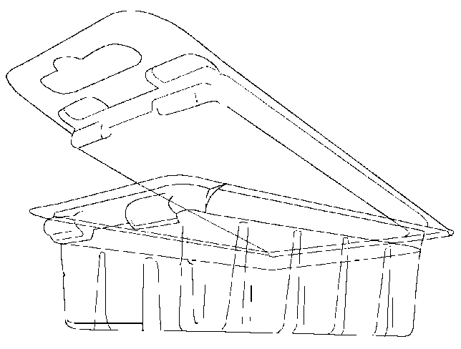 |  | Typ A |  |  | 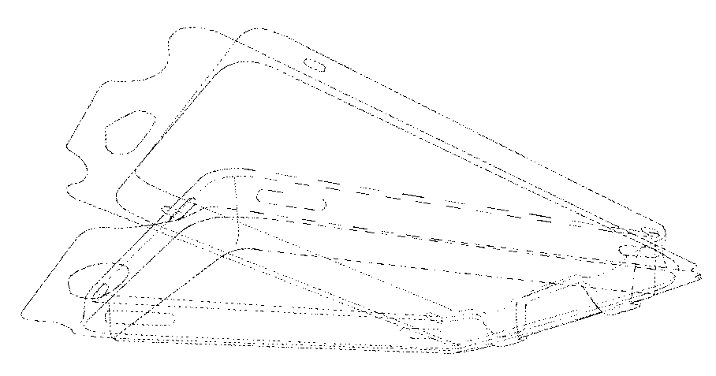 | Typ B |  |  | 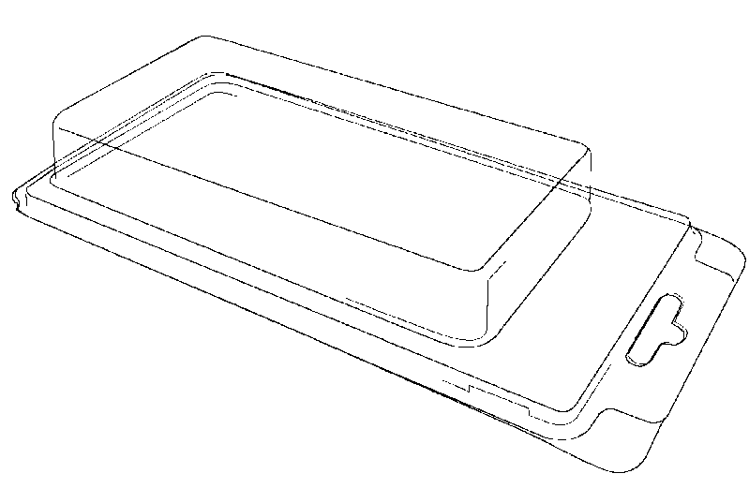 | Typ C
 |  | offen in mm |  |  | geschlossen in mm |  |  | Füllvolumen in mm |  |  | Material |  | Verpackung |  |  | veränderbar |  | Anmerkungen
Typ | Artikel Nummer | Höhe | Breite |  | Höhe | Breite | Tiefe | Höhe | Breite | Tiefe | Type | Ausgangs-stärke | Menge pro Karton | Anzahl Kartons pro Pal. | Menge Stck/Pal. | Seite 1 (Front) | Seite 2 (Rück-seite)
A | B112723-10h | 151 | 40 |  | 83 | 40 | 15 | 56 | 30 | 10 | A-PET | 0.31 | 3000 | 12 | 36000 | x
A | B112723-15h | 151 | 40 |  | 83 | 40 | 20 | 56 | 30 | 15 | A-PET | 0.31 | 2500 | 12 | 30000 | x
A | B112723-30h | 151 | 40 |  | 83 | 40 | 35 | 56 | 30 | 30 | A-PET | 0.42 | 2500 | 12 | 30000 | x
A | B133811-20 | 360 | 40 |  | 187 | 40 | 25 | 155 | 28 | 20 | A-PET | 0.35 | 1100 | 12 | 13200 | x
A | B133811-30 | 360 | 40 |  | 187 | 40 | 35 | 156 | 28 | 30 | A-PET | 0.42 | 500 | 12 | 6000 | x
A | B133106-10h | 169 | 44 |  | 90 | 44 | 15 | 65 | 33 | 10 | A-PET | 0.31 | 2200 | 12 | 26400 | x
A | B112666-25 | 176 | 55 |  | 90 | 55 | 30 | 49 | 31 | 25 | A-PET | 0.33 | 1400 | 12 | 16800 | x
A | B112666-30 | 175 | 55 |  | 90 | 55 | 35 | 49 | 31 | 30 | A-PET | 0.33 | 1400 | 12 | 16800 | x
A | B112836-15s | 178 | 56 |  | 89 | 56 | 20 | 63 | 40 | 15 | A-PET | 0.31 | 1400 | 12 | 16800 | x
A | B112836-20s | 178 | 56 |  | 89 | 56 | 25 | 63 | 40 | 18.5 | A-PET | 0.33 | 1400 | 12 | 16800 | x
A | B112236-40h | 184 | 56 |  | 92 | 56 | 45 | 58 | 38 | 40 | A-PET | 0.45 | 1400 | 12 | 16800 | x
A | B112236-10h | 172 | 57 |  | 92 | 57 | 15 | 60 | 42 | 10 | A-PET | 0.31 | 1400 | 12 | 16800 | x
A | B112236-15h | 172 | 57 |  | 92 | 57 | 20 | 60 | 41 | 15 | A-PET | 0.31 | 1400 | 12 | 16800 | x
A | B112236-20h | 172 | 57 |  | 92 | 57 | 25 | 59 | 40 | 20 | A-PET | 0.33 | 1400 | 12 | 16800 | x
A | B112236-30h | 172 | 57 |  | 92 | 57 | 35 | 59 | 40 | 30 | A-PET | 0.35 | 1400 | 12 | 16800 | x
A | B133107-40h | 255 | 57 |  | 135 | 57 | 45 | 102 | 37 | 40 | A-PET | 0.45 | 1050 | 12 | 12600 | x
A | B133017 | 145 | 160 |  | 145 | 80 | 20 | 99 | 64 | 15 | A-PET | 0.37 | 500 | 12 | 6000 | x
A | B133018 | 145 | 160 |  | 145 | 80 | 35 | 98 | 62 | 30 | A-PET | 0.42 | 500 | 15 | 7500 | x
A | B042262-20h | 192 | 172 |  | 192 | 82 | 25 | 154 | 60 | 20 | A-PET | 0.42 | 500 | 12 | 6000 | x
A | B042262-40h | 192 | 172 |  | 192 | 82 | 45 | 154 | 60 | 40 | A-PET | 0.7 | 400 | 12 | 4800 | x
A | B134222-40x50x15 | 75 | 205 |  | 75 | 100 | 22 | 36 | 46 | 15 | A-PET | 0.35 | 1200 | 12 | 14400 | x
A | B134181-55x48x22 | 62 | 225 |  | 62 | 110 | 30 | 54 | 45 | 21 | A-PET | 0.35 | 1000 | 12 | 12000 | x
A | B122237-15h | 172 | 115 |  | 92 | 115 | 20 | 58 | 98 | 15 | A-PET | 0.31 | 650 | 12 | 7800 | x
A | B122237-15s | 154 | 117 |  | 77 | 117 | 20 | 58 | 98 | 15 | A-PET | 0.31 | 800 | 12 | 9600 | x
A | B122237-25s | 154 | 117 |  | 77 | 117 | 30 | 57 | 97 | 25 | A-PET | 0.33 | 650 | 12 | 7800 | x
A | B122237-30s | 154 | 117 |  | 77 | 117 | 35 | 57 | 97 | 30 | A-PET | 0.37 | 650 | 12 | 7800 | x
A | B122237-40s | 154 | 117 |  | 77 | 117 | 45 | 55 | 96 | 40 | A-PET | 0.45 | 650 | 12 | 7800 | x
A | B122237-25h | 172 | 117 |  | 92 | 117 | 30 | 57 | 97 | 25 | A-PET | 0.33 | 650 | 12 | 7800 | x
A | B122237-30h | 172 | 117 |  | 92 | 117 | 35 | 57 | 97 | 30 | A-PET | 0.35 | 650 | 12 | 7800 | x
A | B122237-40h | 172 | 117 |  | 92 | 117 | 45 | 55 | 96 | 40 | A-PET | 0.45 | 650 | 12 | 7800 | x
A | B112667-25 | 160 | 120 |  | 90 | 120 | 30 | 53 | 93 | 24 | A-PET | 0.33 | 600 | 12 | 7200 | x
A | B112667-35 | 160 | 120 |  | 90 | 120 | 40 | 53 | 93 | 35 | A-PET | 0.42 | 600 | 12 | 7200 | x
A | B122854-55 | 260 | 120 |  | 130 | 120 | 60 | 97 | 92 | 55 | PVC | 0.6 | 210 | 12 | 2520 | x
A | B122854-75 | 260 | 120 |  | 130 | 120 | 80 | 97 | 92 | 75 | PVC | 0.7 | 210 | 12 | 2520 | x
A | B112408-30h | 228 | 132 |  | 118 | 132 | 35 | 80 | 114 | 30 | A-PET | 0.5 | 400 | 12 | 4800 | x
A | B112408-40h | 228 | 132 |  | 118 | 132 | 45 | 80 | 114 | 40 | A-PET | 0.55 | 400 | 12 | 4800 | x
A | B112408-40s | 225 | 135 |  | 115 | 135 | 45 | 80 | 114 | 40 | A-PET | 0.55 | 420 | 12 | 5040 | x
A | B122638-35h | 399 | 231 |  | 191 | 231 | 50 | 157 | 180 | 40 | PVC | 0.5 | 100 | 12 | 1200 | x
A | B122638-75h | 399 | 231 |  | 191 | 231 | 85 | 157 | 180 | 73 | PVC | 0.5 | 100 | 12 | 1200 | x
A | B122638-75s | 382 | 231 |  | 191 | 231 | 85 | 157 | 180 | 73 | PVC | 0.5 | 100 | 12 | 1200 | x

B | B133474-20 | 230 | 65 |  | 118 | 65 | 20 | 80 | 40 | 20 | A-PET | 0.35 | 1250 | 18 | 22500 |  | x
B | B133474-40 | 245 | 65 |  | 120 | 65 | 40 | 80 | 40 | 40 | A-PET | 0.37 | 1250 | 18 | 22500 |  | x
B | B133804-20 | 290 | 82 |  | 145 | 82 | 20 | 108 | 61 | 18 | A-PET | 0.4 | 400 | 12 | 4800 |  | x
B | B133804-30 | 290 | 82 |  | 145 | 82 | 30 | 108 | 61 | 30 | A-PET | 0.4 | 400 | 12 | 4800 |  | x
B | B133804-42 | 290 | 82 |  | 145 | 82 | 42 | 108 | 61 | 42 | A-PET | 0.4 | 400 | 12 | 4800 |  | x
B | B132971-20 | 380 | 130 |  | 188 | 130 | 20 | 145 | 105 | 20 | A-PET | 0.42 | 300 | 12 | 3600 |  | x
B | B132971-30 | 380 | 130 |  | 188 | 130 | 30 | 143 | 103 | 30 | A-PET | 0.42 | 240 | 12 | 2880 |  | x
B | B132971-45 | 380 | 130 |  | 188 | 130 | 45 | 140 | 100 | 45 | A-PET | 0.55 | 200 | 12 | 2400 |  | x
B | B134105-30 | 215 | 140 |  | 108 | 140 | 30 | 70 | 118 | 30 | A-PET | 0.4 | 400 | 12 | 4800 | x
B | B133226-60 | 215 | 140 |  | 170 | 145 | 60 | 125 | 125 | 55 | PVC | 0.5 | 160 | 12 | 1920 |  | x
B | B133226-90 | 340 | 145 |  | 170 | 145 | 90 | 124 | 124 | 90 | PVC | 0.5 | 160 | 12 | 1920 |  | x
B | B133224-30 | 340 | 295 |  | 340 | 145 | 30 | 297 | 125 | 30 | PVC | 0.5 | 90 | 12 | 1080
B | B133224-60 | 340 | 295 |  | 340 | 145 | 60 | 297 | 125 | 60 | PVC | 0.5 | 90 | 12 | 1080
B | B133760-144x144x31 | 380 | 165 |  | 190 | 165 | 30 | 144 | 144 | 30 | A-PET | 0.37 | 200 | 12 | 2400 | x
B | B133760-144x144x37 | 380 | 165 |  | 190 | 165 | 35 | 144 | 144 | 35 | A-PET | 0.37 | 200 | 12 | 2400 | x
B | B133760-144x144x40 | 380 | 165 |  | 190 | 165 | 40 | 144 | 144 | 40 | A-PET | 0.37 | 200 | 12 | 2400 | x
B | B133218-95 | 380 | 167 |  | 190 | 167 | 95 | 145 | 145 | 95 | PVC | 0.5 | 130 | 10 | 1300 |  | x
B | B113219-75 | 440 | 175 |  | 220 | 175 | 75 | 172 | 150 | 75 | A-PET | 0.6 | 120 | 12 | 1440 |  | x
B | B113219-100 | 440 | 175 |  | 220 | 175 | 105 | 172 | 150 | 100 | A-PET | 0.6 | 120 | 12 | 1440 |  | x
B | B123217-60 | 436 | 350 |  | 436 | 175 | 60 | 400 | 155 | 60 | PVC | 0.5 | 65 | 12 | 780
B | B123220-90 | 436 | 350 |  | 436 | 175 | 90 | 400 | 155 | 90 | PVC | 0.6 | 65 | 12 | 780
B | B123373-135 | 436 | 350 |  | 436 | 175 | 135 | 385 | 150 | 135 | PVC | 0.6 | 60 | 12 | 720
B | B123225-60* | 654 | 418 |  | 654 | 205 | 60 | 615 | 183 | 60 | PVC | 0.6 | 35 | 9 | 315 |  |  | * Werkzeug im Umbau
B | B123223-105* | 654 | 418 |  | 654 | 205 | 105 | 613 | 180 | 105 | PVC | 0.6 | 35 | 9 | 315 |  |  | * Werkzeug im Umbau
B | B123249-30 | 600 | 215 |  | 300 | 215 | 30 | 260 | 190 | 30 | A-PET | 0.35 | 750 | 2 | 1500 |  | x
B | B123249-45 | 600 | 215 |  | 300 | 215 | 45 | 255 | 185 | 45 | PVC | 0.45 | 650 | 2 | 1300 |  | x
B | B123249-70 | 600 | 215 |  | 300 | 215 | 70 | 250 | 180 | 70 | PVC | 0.7 | 600 | 2 | 1200 |  | x

C | B134281-78x45x10 | 214 | 60 |  | 105 | 60 | 15 | 75 | 43 | 10 | A-PET | 0.4 | 1400 | 12 | 16800 | x
C | B134281-78x45x15 | 214 | 60 |  | 105 | 60 | 20 | 72 | 40 | 15 | A-PET | 0.4 | 1400 | 12 | 16800 | x
C | B134281-78x45x25 | 214 | 60 |  | 105 | 60 | 30 | 71 | 38 | 25 | A-PET | 0.4 | 1400 | 12 | 16800 | x
C | B134309-110x40x30 | 305 | 60 |  | 150 | 60 | 36 | 110 | 40 | 30 | A-PET | 0.42 | 900 | 12 | 10800 | x
C | B134183-50x40x15 | 274 | 75 |  | 137 | 75 | 20 | 45 | 35 | 15 | A-PET | 0.33 | 1000 | 10 | 10000 | x | x
C | B134183-70x55x20 | 274 | 75 |  | 137 | 75 | 25 | 70 | 55 | 20 | A-PET | 0.33 | 1000 | 10 | 10000 | x | x
C | B134183-50x40x25 | 274 | 75 |  | 137 | 75 | 30 | 45 | 35 | 25 | A-PET | 0.33 | 900 | 10 | 9000 | x | x
C | B134183-85x60x25 | 274 | 75 |  | 137 | 75 | 30 | 85 | 60 | 25 | A-PET | 0.33 | 900 | 10 | 9000 | x | x
C | B134183-85x60x40 | 274 | 75 |  | 137 | 75 | 45 | 85 | 60 | 40 | A-PET | 0.33 | 900 | 10 | 9000 | x | x
C | B133954 | 285 | 90 |  | 140 | 90 | 20 | USB-Stick |  |  | A-PET | 0.3 | 450 | 22 | 9900 | x
C | B134176-110x45x20 | 365 | 90 |  | 182 | 90 | 20 | 110 | 45 | 20 | A-PET | 0.35 | 450 | 22 | 9900 | x | x
C | B134176-120x65x15 | 365 | 90 |  | 182 | 90 | 20 | 113 | 59 | 15 | A-PET | 0.35 | 450 | 22 | 9900 | x | x
C | B134176-96x75x30 | 365 | 90 |  | 182 | 90 | 20 | 93 | 73 | 30 | A-PET | 0.35 | 450 | 22 | 9900 | x | x
C | B134176-80x65x15 | 365 | 90 |  | 182 | 90 | 20 | 78 | 62 | 15 | A-PET | 0.35 | 450 | 22 | 9900 | x | x
C | B134176-120x65x20 | 365 | 90 |  | 182 | 90 | 25 | 113 | 59 | 20 | A-PET | 0.35 | 450 | 22 | 9900 | x | x
C | B134176-140x45x20 | 365 | 90 |  | 182 | 90 | 25 | 135 | 40 | 20 | A-PET | 0.35 | 450 | 22 | 9900 | x | x
C | B134176-130x75x25 | 365 | 90 |  | 182 | 90 | 30 | 127 | 73 | 25 | A-PET | 0.35 | 450 | 22 | 9900 | x | x
C | B134176-120x65x35 | 365 | 90 |  | 182 | 90 | 40 | 113 | 59 | 35 | A-PET | 0.35 | 450 | 22 | 9900 | x | x
C | B134176-130x75x35 | 365 | 90 |  | 182 | 90 | 40 | 127 | 73 | 35 | A-PET | 0.35 | 450 | 22 | 9900 | x | x
C | B134176-130x75x15 | 365 | 90 |  | 182 | 90 | 40 | 123 | 69 | 15 | A-PET | 0.35 | 450 | 22 | 9900 | x | x
C | B134176-145x77x15 | 365 | 90 |  | 182 | 90 | 40 | 143 | 72 | 15 | A-PET | 0.35 | 450 | 22 | 9900 | x | x
C | B134132-2 | 240 | 98 |  | 119 | 98 | 25 | 68 | 78 | 14.5 | PVC | 0.4 | 600 | 9 | 5400 | x
C | B134193-SD Card | 275 | 105 |  | 135 | 105 | 20 | 47 | 47 | 6.5 | A-PET | 0.35 | 880 | 10 | 8800 | x
C | B133716-65x65x20 | 286 | 107 |  | 143 | 107 | 27 | 65 | 65 | 20 | A-PET | 0.37 | 480 | 12 | 5760 | x
C | B133716-50x40x25 | 286 | 107 |  | 143 | 107 | 32 | 45 | 35 | 25 | A-PET | 0.37 | 480 | 12 | 5760 | x
C | B133716-30 | 286 | 107 |  | 143 | 107 | 37 | 77 | 77 | 30 | A-PET | 0.37 | 480 | 12 | 5760 | x
C | B133716-65x65x30 | 286 | 107 |  | 143 | 107 | 37 | 65 | 65 | 30 | A-PET | 0.37 | 480 | 12 | 5760 | x
C | B134230-130x90x30 | 366 | 107 |  | 180 | 107 | 36 | 123 | 83 | 30 | A-PET | 0.42 | 520 | 9 | 4680 | x
C | B134230-145x90x30 | 366 | 107 |  | 180 | 107 | 36 | 138 | 83 | 30 | A-PET | 0.42 | 520 | 9 | 4680 | x
C | B133725-23 | 440 | 107 |  | 220 | 107 | 32 | 151 | 77 | 26 | A-PET | 0.37 | 280 | 12 | 3360 | x
C | B134013-23 | 440 | 107 |  | 220 | 107 | 32 | 80 | 80 | 25 | A-PET | 0.42 | 280 | 12 | 3360 | x
C | B133725-35 | 440 | 107 |  | 220 | 107 | 41 | 151 | 77 | 35 | A-PET | 0.55 | 280 | 12 | 3360 | x
C | B133725-70 | 440 | 107 |  | 220 | 107 | 77 | 151 | 77 | 70 | A-PET | 0.65 | 280 | 12 | 3360 | x
C | B133717-207 | 486 | 107 |  | 243 | 107 | 37 | 203 | 78 | 29 | A-PET | 0.45 | 300 | 12 | 3600 | x
C | B133717-30 | 486 | 107 |  | 243 | 107 | 37 | 177 | 78 | 30 | A-PET | 0.45 | 300 | 12 | 3600 | x
C | B133717-155x80x35 | 486 | 107 |  | 243 | 107 | 41 | 155 | 80 | 30 | A-PET | 0.45 | 300 | 12 | 3600 | x
C | B133717-155x80x70 | 486 | 107 |  | 243 | 107 | 78 | 155 | 80 | 70 | A-PET | 0.55 | 300 | 12 | 3600 | x
C | B133926 | 304 | 112 |  | 152 | 112 | 14 | 53.8 | 45.6 | 7.5 | A-PET (GAG_PET) | 0.3 | 340 | 18 | 6120 | x
C | B134177-110x90x30 | 314 | 115 |  | 157 | 115 | 35 | 103 | 83 | 30 | A-PET | 0.35 | 580 | 9 | 5220 | x | x
C | B134189 | 340 | 115 |  | 170 | 115 | 36.5 | 61 | 75 | 29 | A-PET | 0.4 | 180 | 18 | 3240 | x
C | B133784 | 370 | 115 |  | 185 | 115 | 10 |  |  |  | A-PET | 0.31 | 500 | 12 | 6000 | x
C | B133820 | 368 | 115 |  | 185 | 115 | 15 | SD Card |  |  | A-PET | 0.31 | 250 | 18 | 4500 | x
C | B133821 | 368 | 115 |  | 185 | 115 | 20 | USB-Stick |  |  | A-PET | 0.31 | 180 | 18 | 3240 | x
C | B133543(Dreiecksblister) | 375 | 123 |  | 168 | 123 | 35 | 42 | 52 | 9 | PVC | 0.35 | 300 | 9 | 2700
C | B134250-105x117x26 | 320 | 130 |  | 157 | 130 | 33 | 120 | 107 | 26 | A-PET | 0.3 | 320 | 12 | 3840 | x
C | B113286 | 350 | 145 |  | 174 | 145 | 65 | 80 | 80 | 53 | PVC | 0.5 | 500 | 9 | 4500 | x
C | B133772 | 380 | 155 |  | 190 | 155 | 84 | 123 | 123 | 74 | A-PET | 0.8 | 500 | 9 | 4500 | x
C | B134200 Grundwerkzeug | 480 | 160 |  | 240 | 160 | <50 | <194 | <138 | <45 | A-PET | 0,35-0,55 | 600 | 9 | 5400 | x
C | B133718-35 | 405 | 190 |  | 202 | 190 | 42 | 115 | 152 | 35 | A-PET | 0.42 | 160 | 12 | 1920 | x
C | B133718-55 | 405 | 190 |  | 202 | 190 | 62 | 111 | 146 | 55 | A-PET | 0.5 | 150 | 12 | 1800 | x

